05-04-2022
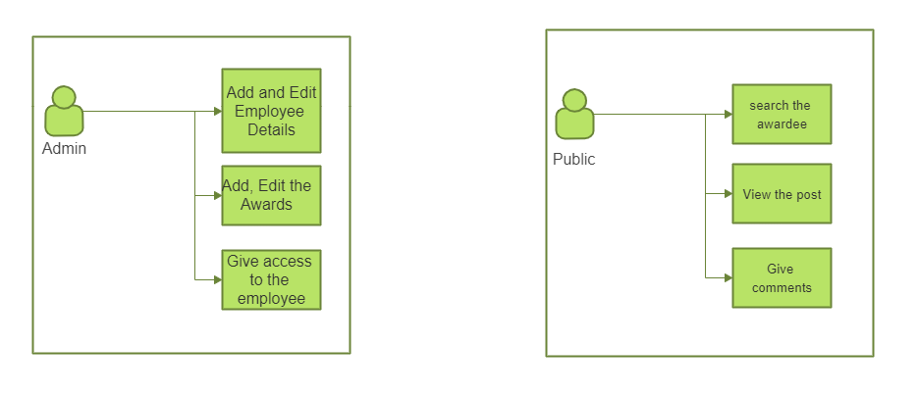
 |  |  |  | User Flow

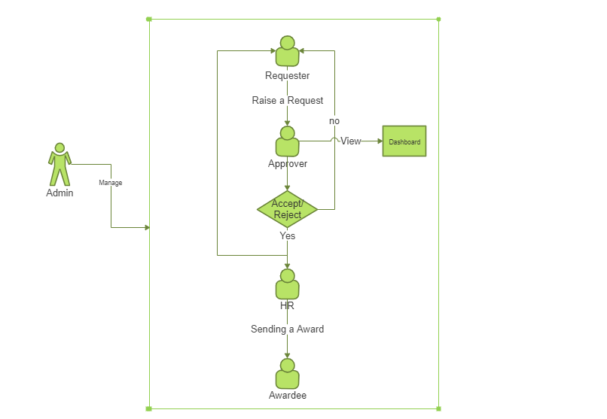
USER STORIES
USER STORY ID | As a <type of user> | I want to <perfom some tasks> | So that i can <achieve some goal>
1 | Admin | Adding and modifiying awards | Inserting new awards and tracking the desgination of employees
 |  | Adding and modifiying employee roles
 |  | Giving access to employee
2 | Requester | Enter Employee Details | Nominate an employee for the award
 |  | Enter Reason for the award
 |  | Categorize the award
 |  | Raise a request for the award
3 | Approver | Recieve the request from the requester | Approve or Reject the request raised by requester
 |  | Verify the background
 |  | Approve and sent mail to HR and requester
 |  | Reject and sent mail to requester about rejection.
 |  | Have a dashboard
4 | HR Partners | Recieve the request from the approver | Trigger mail with the respective coupon
 |  | Trigger the coupon
 |  | Send a mail to the awardee/approver
 |  | Publish Feed
5 | Awardee | Recieve the mail | Track the history of awards. Can view list of awards available and how to achieve that
 |  | View the awards
 |  | Claim the rewards
6 | Public | View the feed | Know award information.
 |  | Search by name/awards
 |  | Comment on feed posts

 |  |  | *Requester can be of anyone except SE
 |  |  | *SLO,DM,PM are Approvers

Queries | Answer
1.How many approvers at a time? | only one person
2.Whether via mail or portal? | Both

 |  | MOM
 |  | Each task should have individual goals
 |  | HR should have access to the dashboard
 |  | Changes in flow diagram
 |  | Notification via mail
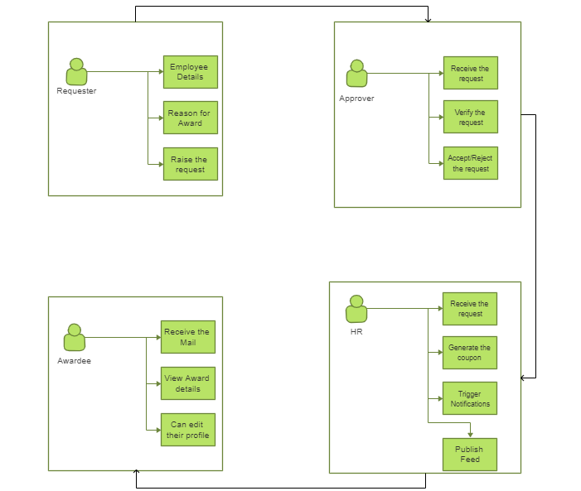
 |  | Approve / Reject Functionality in Portal
 |  | Default mail to HR partner
 |  | Upto 2 Hierarchy level to be followed in sending mail.

06-04-2022
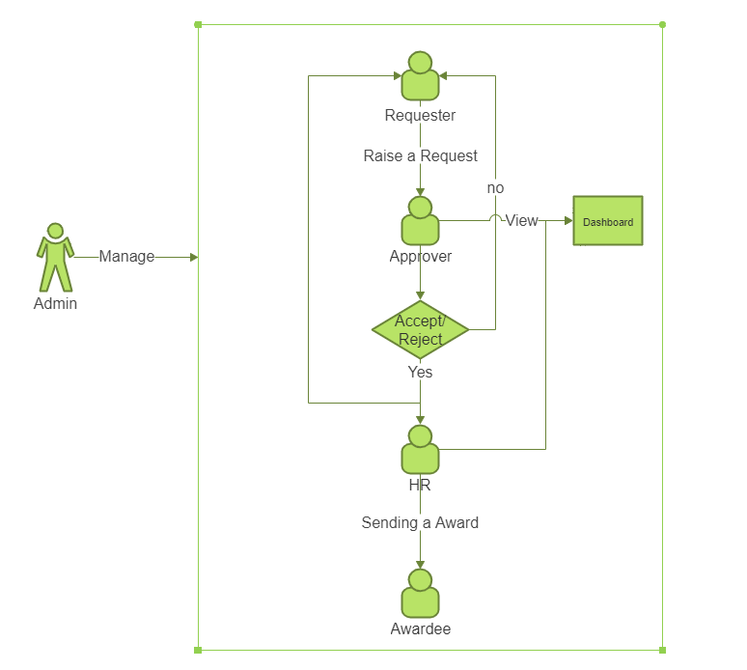
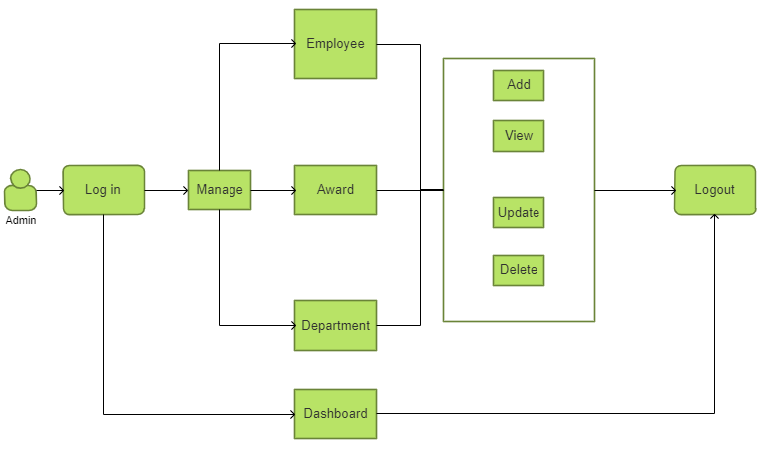
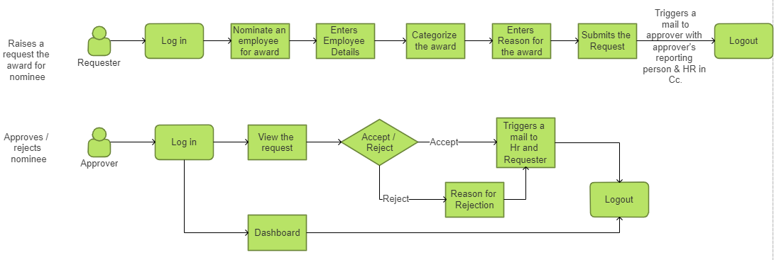
USER STORIES |  |  |  |  | Overall Flow
USER STORY ID | As a <type of user> | T.S.No | Task | Goal |  | Admin Flow | Requester & Approver Flow | HR Flow | Awardee Flow
1 | Admin | 1.1 | I want to Login | So that I can access admin controls
 |  | 1.2 | I want to Add/Modify Employee | so that admin can be able to create or change or Delete the Employee
 |  | 1.3 | I want to Add/Modify Awards | so that admin can be able to create or change or Delete the Awards
 |  | 1.4 | I want Add/Modify Department | so that admin can be able to create or change or Delete the Department
 |  | 1.5 | I want to view dashboard | So that i can able to view the overview of awards, employee, Department
2 | Requester | 2.1 | I want to login | So that i can able to raise a request
 |  | 2.2 | I want to raise a request | So that i can able to nominate |  |  |  |  | Public Flow
 |  | 2.3 | I want to enter employee details | So that i can give the employee details
 |  | 2.4 | I want to select the awards | So that i can request the respective award
 |  | 2.5 | I want to give reason for the request | So that i can specify the reason for nomination
3 | Approver | 3.1 | I want to login | So that i can view the requests
 |  | 3.2 | I want to Approve/Reject the request | So that i can Approve/Reject the Nominee
 |  | 3.3 | I want to view dashboard | So that i can view the overall information of awardee and awards
4 | HR Partners | 4.1 | I want to login | So that i can view the approved candidates
 |  | 4.2 | I want to view dashboard | So that i can view the overall information of awardee and awards
 |  | 4.3 | I want to enter the coupon code | So that i can Trigger the mail with coupon
 |  | 4.4 | I want to Publish Feed | So that Public can view
5 | Awardee | 5.1 | I want to Recieve the mail | So that i can view the details of that award
 |  | 5.2 | I want to view the history of awards | So that i can view the history of that awards
6 | Public | 6.1 | I want to View the feed | So that i can view the recent awardee
 |  | 6.2 | I want to Search by name/award | So that i can view the particular awardee or award
 |  | 6.3 | I want to Comment on feed posts | So that i can able to share my thoughts

 |  |  | Queries | Answer
 |  |  | 1. Do Public need a login? | Yes, they need login when they comment on any post.
 |  |  | 2. Explain pubilc in detail . | All company people are public.

 |  |  |  | MOM
 |  |  |  | Each user story should be shippable
 |  |  |  | Write Acceptance criteria, constraints, dependencies
 |  |  |  | Approver want to see the list of approved candidates
 |  |  |  | Mail Preview is viewable to the approver, requester
 |  |  |  | Use Manage word instead of Add / Modify
 |  |  |  | Develope a wireframe

